EVD_OPL 09-01
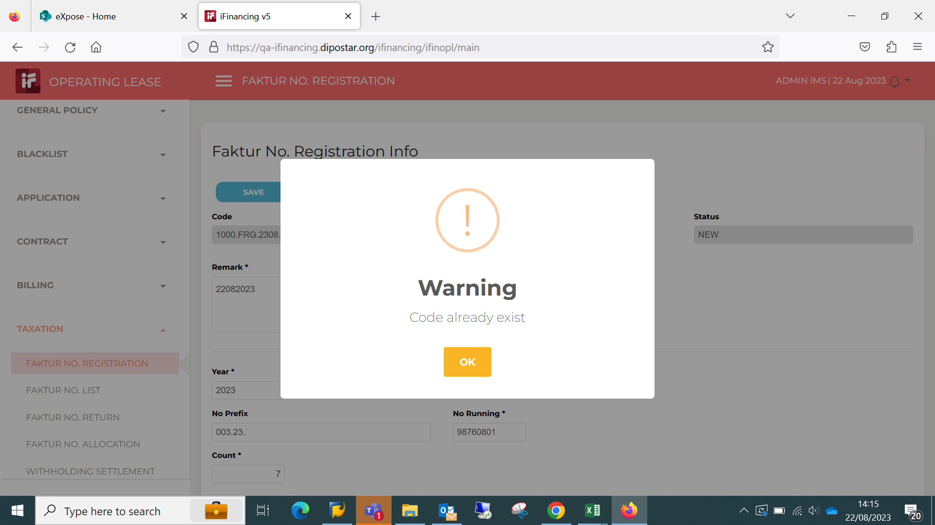
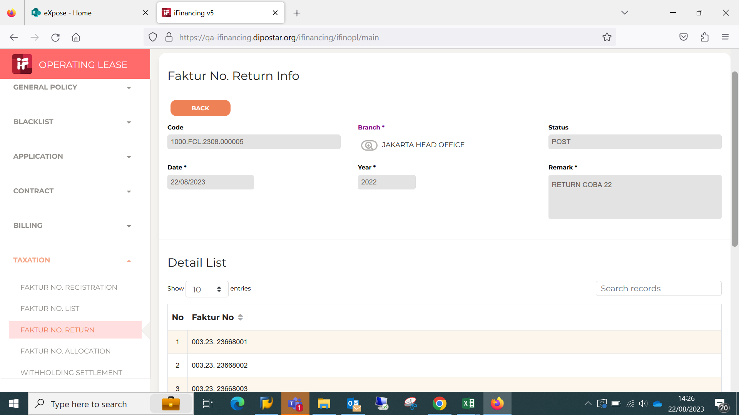
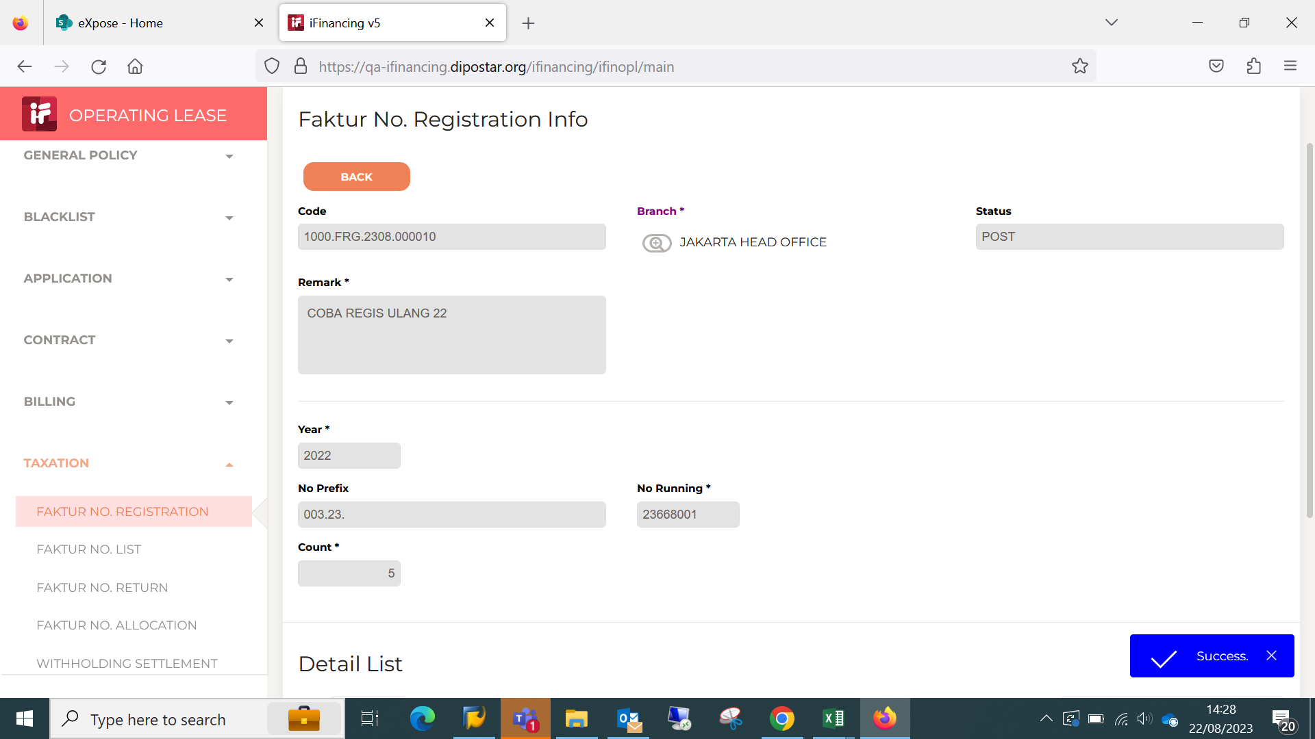
Test Case ID | OPL 05-01
Test Case Summary | Tax Faktur No Return

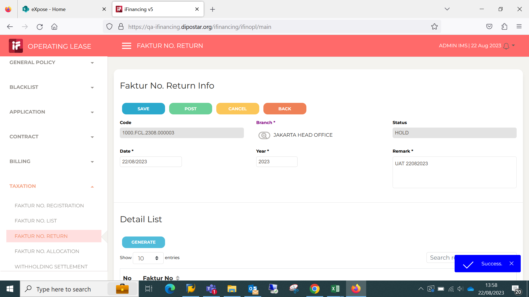
Step # | Test Evidence | Re-Test Evidence (if found Bug/Issue)
1

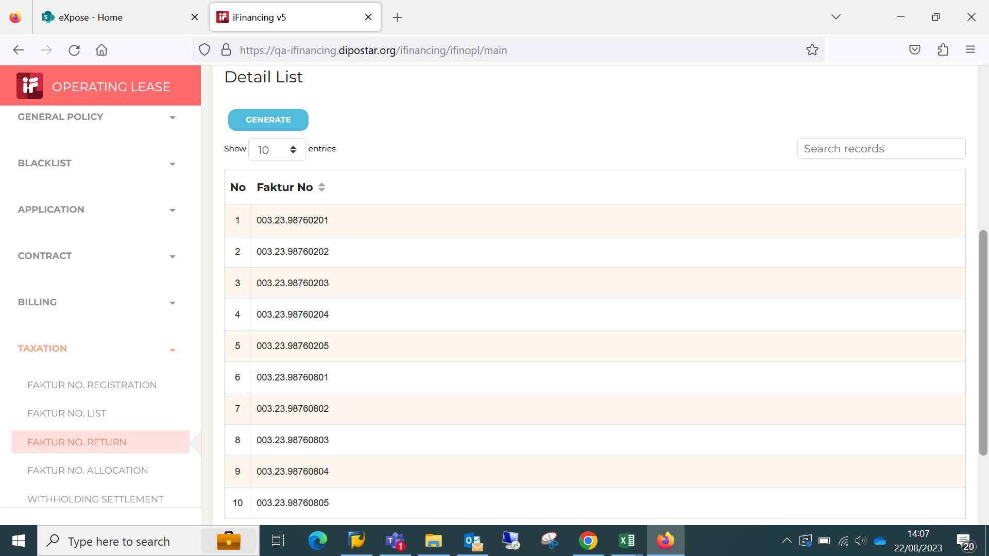

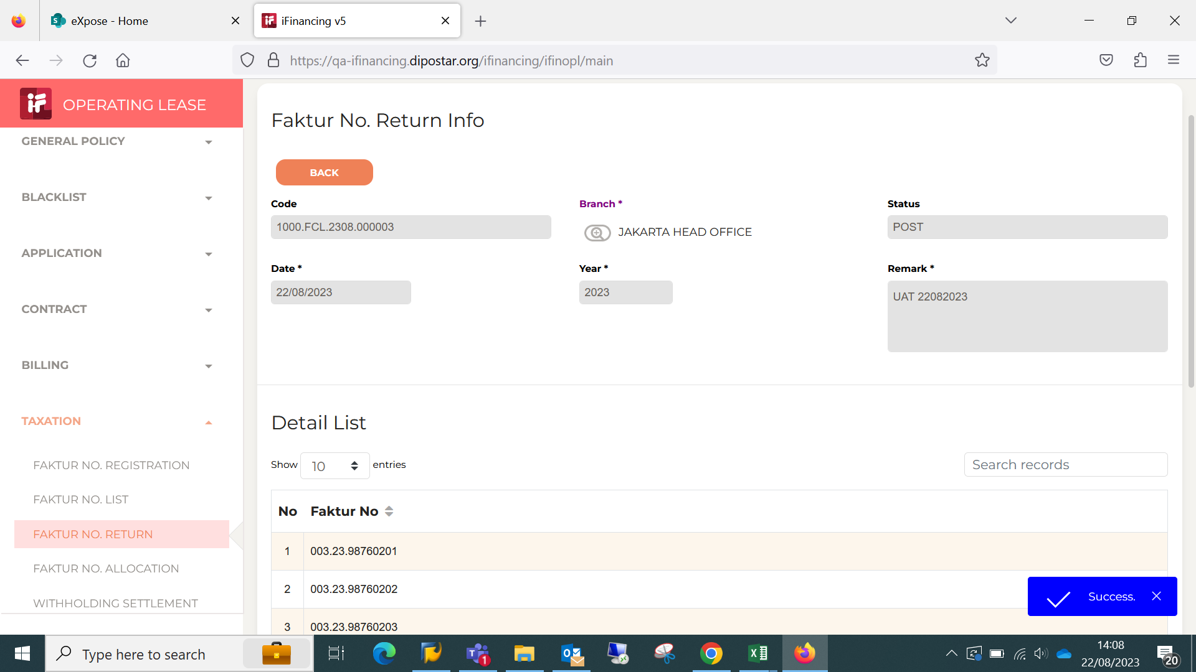
2 |  | 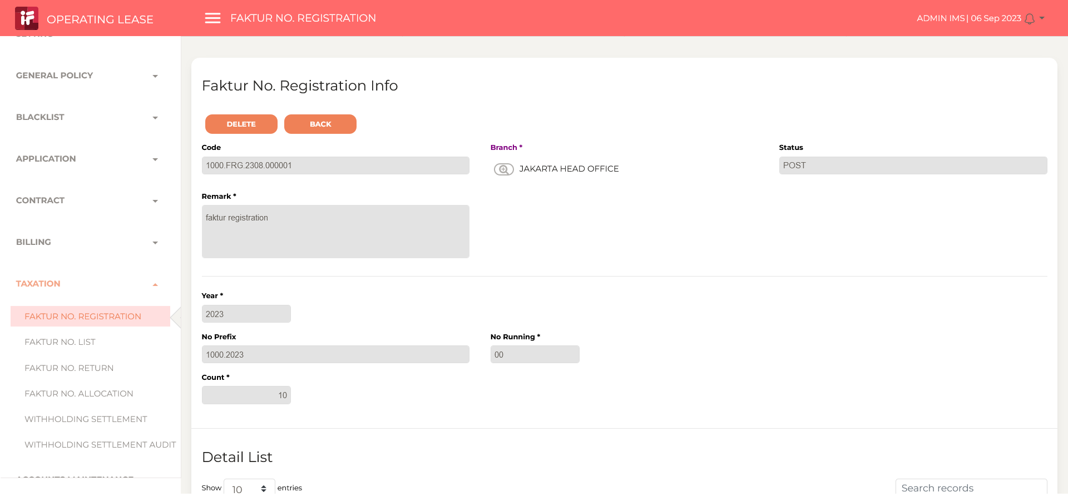

3
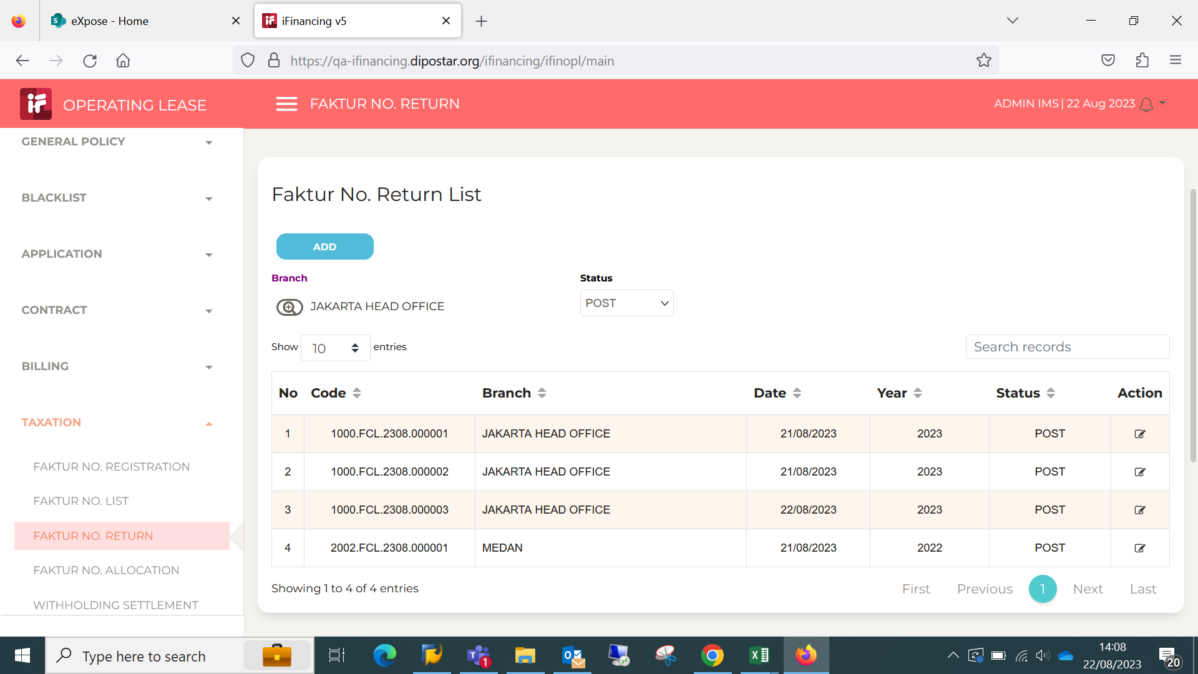

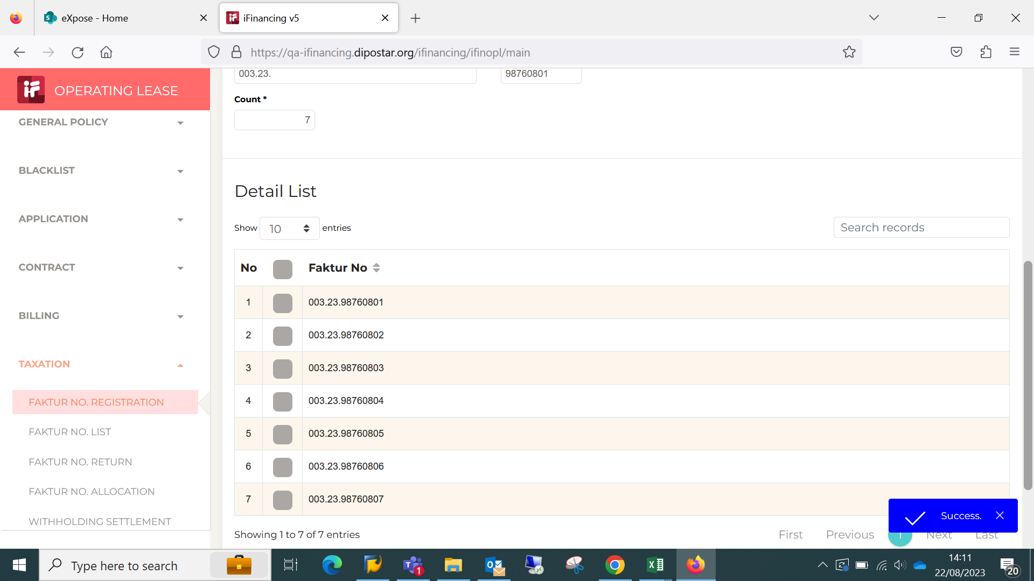
4

EVD_OPL 09-01 (NT)
Test Case ID | OPL 05-01
Test Case Summary | Tax Faktur No Return

Step # | Test Evidence |  | Re-Test Evidence (if found Bug/Issue)
1

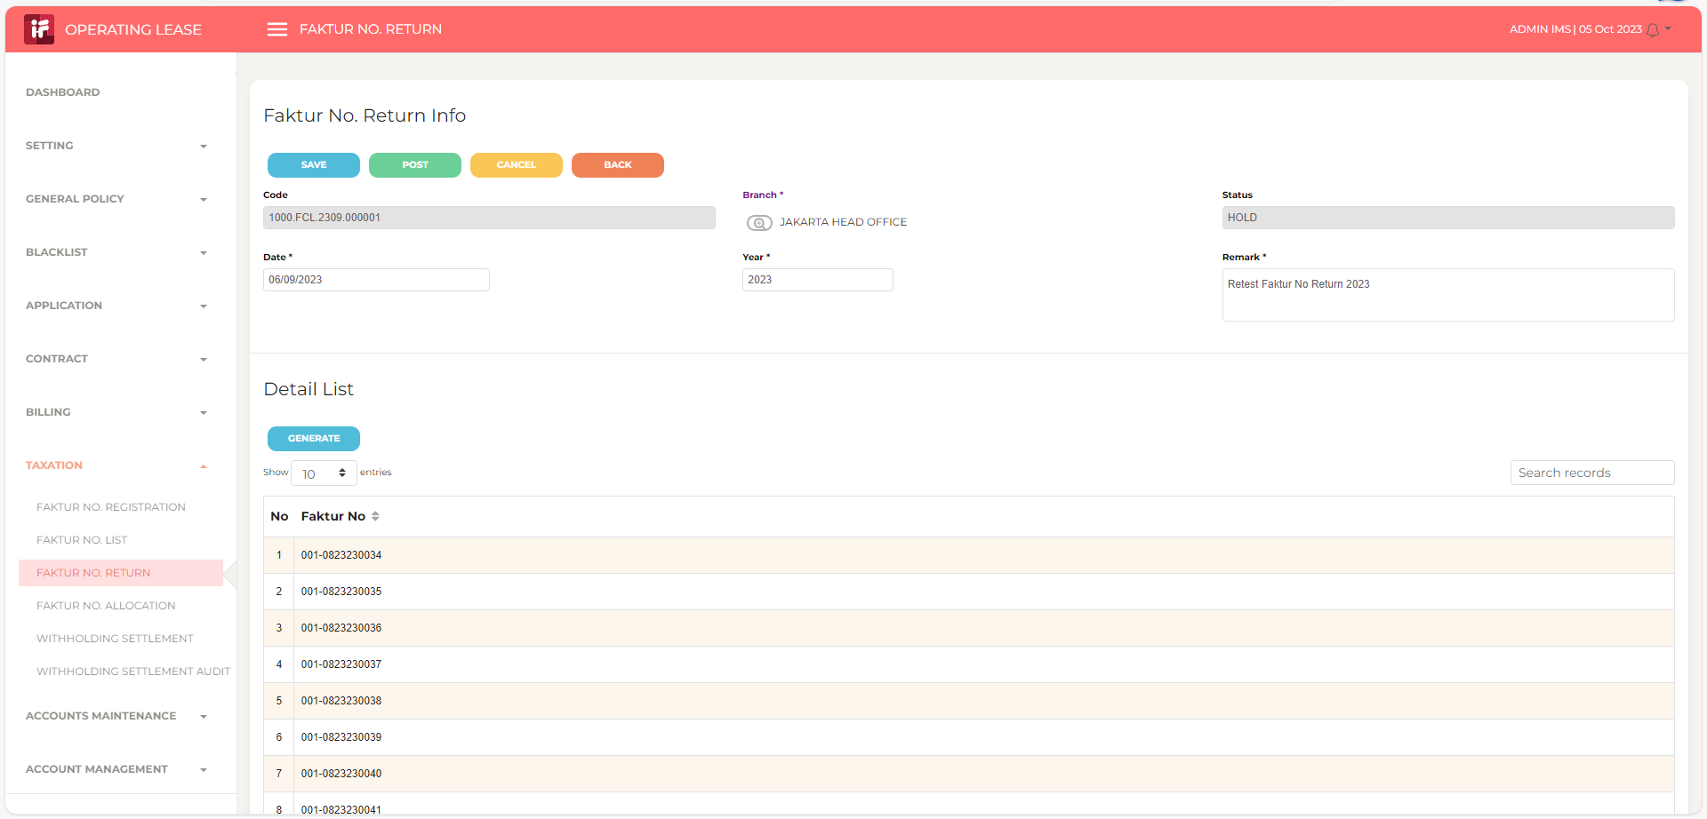

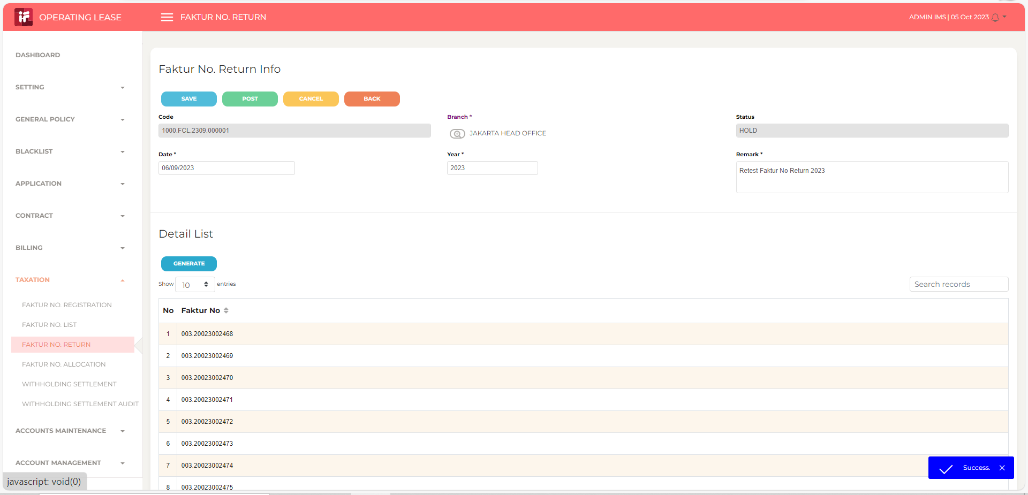
2

3

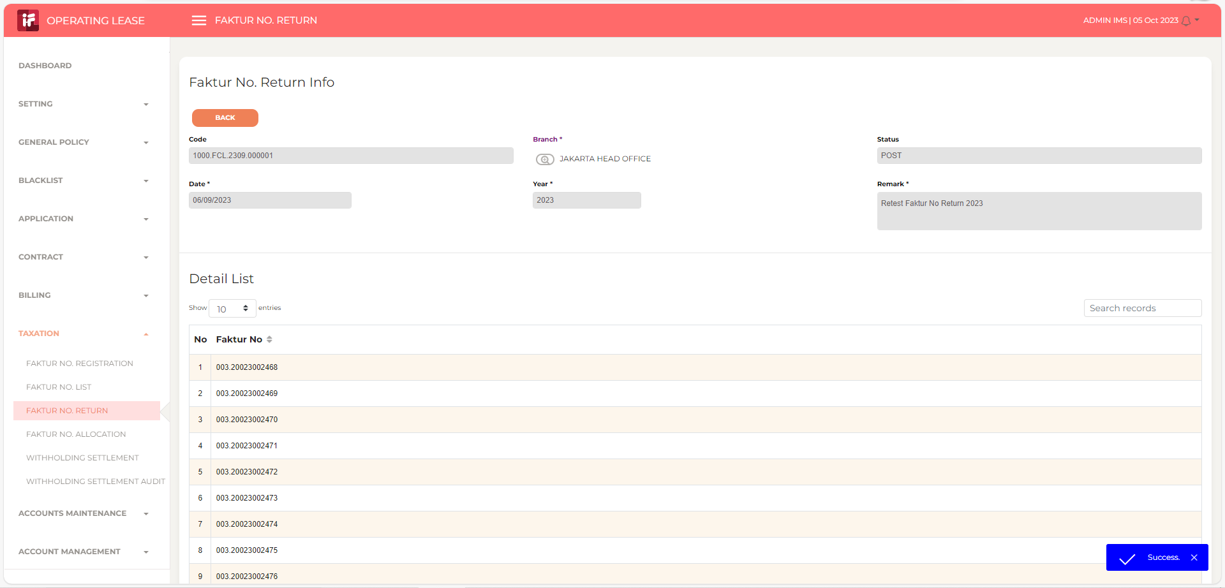

4

5

6

7

8

9 |  | BERHASIL RETURN 2022

10 |  | COBA REGISTRASI ULANG

11

13

14

15

16

17

18

19

20

21

22

36

37

38

39

41

43

44

45

46

